1 Home Page
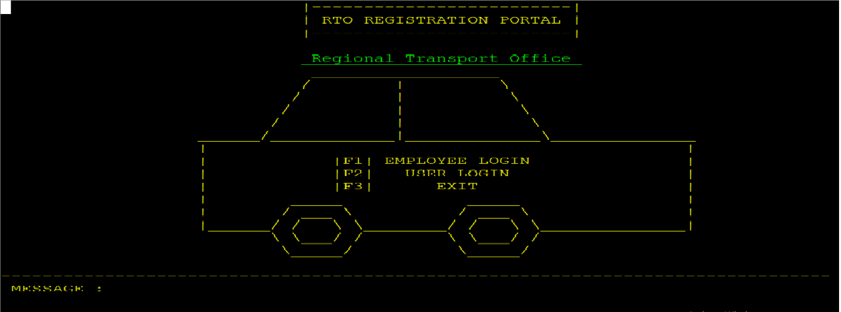
TC ID | Test Scenario | Test Steps | Test Data | Expected Result | Actual Result | Status (Pass/Fail)
TC_01_01_001 | Verify that the Home Page loads correctly | Launch the application | N/A | Home Page should be displayed with options: F1 (Employee Login), F2 (User Login), F3 (Exit)
TC_01_01_002 | Verify F1 key for Employee Login | Press the F1 key on the Home Page | N/A | Employee Login screen should be displayed
TC_01_01_003 | Verify F2 key for User Login | Press the F2 key on the Home Page | N/A | User Login screen should be displayed
TC_01_01_004 | Verify F3 key for exiting the application | Press the F3 key on the Home Page | N/A | Application should close
TC_01_01_005 | Verify invalid key press | Press any key other than F1, F2, F3 | N/A | No action should be taken; Home Page should remain visible
TC_01_01_006 | Verify Home Page UI elements | Launch the application | N/A | Home Page should display "Welcome to RTO System" and options: Employee Login (F1), User Login (F2), Exit (F3)
TC_01_01_007 | Verify that function keys work properly after multiple attempts | Press F1, then go back, then press F2, then go back, then press F3 | N/A | Each function key should work properly, and F3 should exit
TC_01_01_008 | Verify behavior when application is left idle on Home Page | Launch the application and leave it idle for 5 minutes | N/A | The Home Page should remain active without automatic logout
TC_01_01_009 | Verify behavior when switching to another application and returning | Open another application while Home Page is open, then return | N/A | Home Page should remain active
TC_01_01_010 | Verify application behavior on system shutdown while on Home Page | Shut down the system while the application is open | N/A | Application should close safely without data corruption

2.1 EMP Login
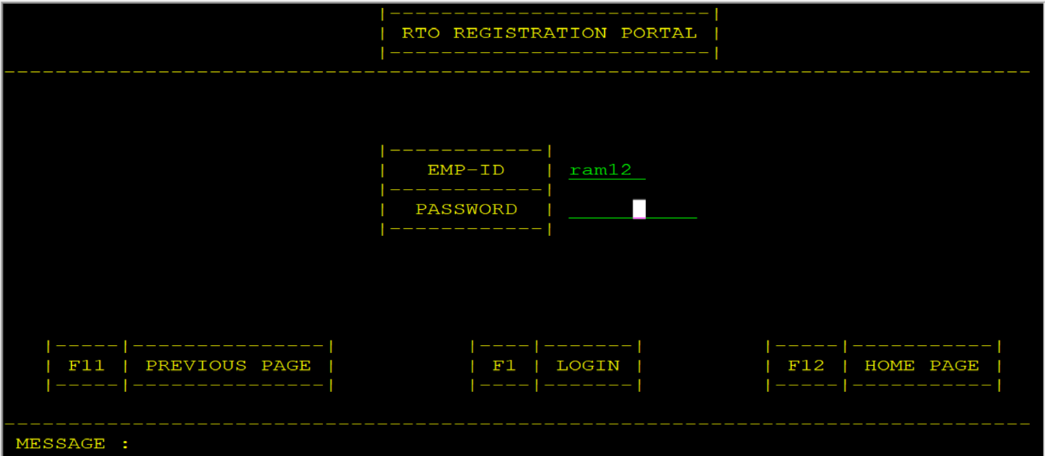
Test Cases for Employee (RTO) Login Screen
TC ID | Test Scenario | Test Steps | Test Data | Expected Result | Actual Result | Status (Pass/Fail)
TC_02_01_001 | Verify Employee Login screen is displayed correctly | Press F1 on Home Page | N/A | Employee Login screen should be displayed with fields: Emp-ID, Password, F1 (Login), F11 (Back), F12 (Home Page)
TC_02_01_002 | Verify successful login with valid credentials | Enter valid Emp-ID and Password, then press F1 | Valid Emp-ID & Password | Employee Dashboard screen should be displayed
TC_02_01_003 | Verify login with invalid credentials | Enter incorrect Emp-ID or Password, then press F1 | Invalid Emp-ID / Password | Error message "Invalid Emp-ID or Password" should be displayed
TC_02_01_004 | Verify login with empty fields | Keep Emp-ID and Password empty, then press F1 | Empty Fields | Error message "Please enter Emp-ID and Password" should be displayed
TC_02_01_005 | Verify login with only Emp-ID entered | Enter Emp-ID, leave Password empty, then press F1 | Valid Emp-ID, Empty Password | Error message "Please enter Password" should be displayed
TC_02_01_006 | Verify login with only Password entered | Leave Emp-ID empty, enter Password, then press F1 | Empty Emp-ID, Valid Password | Error message "Please enter Emp-ID" should be displayed
TC_02_01_007 | Verify maximum character limit for Emp-ID field | Enter 7+ characters in Emp-ID field | More than allowed length | Emp-ID should only accept 6 characters and ignore extra input
TC_02_01_008 | Verify maximum character limit for Password field | Enter 11+ characters in Password field | More than allowed length | Password should only accept 10 characters and ignore extra input
TC_02_01_009 | Verify handling of special characters in Emp-ID | Enter special characters (e.g., @, #, $) in Emp-ID field | Special Characters | System should not allow non-alphanumeric characters in Emp-ID
TC_02_01_010 | Verify handling of special characters in Password | Enter special characters in Password field | Special Characters | System should accept special characters in Password
TC_02_01_011 | Verify login with case-sensitive password | Enter valid Emp-ID with incorrect password case (e.g., "Password" vs "password") | Case mismatch | Login should fail with error message "Invalid Emp-ID or Password"
TC_02_01_012 | Verify F11 key for Back functionality | Press F11 on Employee Login screen | N/A | Should return to Home Page
TC_02_01_013 | Verify F12 key for Home Page navigation | Press F12 on Employee Login screen | N/A | Should return to Home Page
TC_02_01_014 | Verify login with an Emp-ID that does not exist | Enter a non-existent Emp-ID and valid password, then press F1 | Non-existent Emp-ID | Error message "Invalid Emp-ID or Password" should be displayed
TC_02_01_015 | Verify session handling after successful login | Successfully log in as Employee and leave session idle for 10 minutes | Valid login session | System should keep the session active
TC_02_01_016 | Verify session timeout after inactivity | Successfully log in and stay idle for 30 minutes | Valid login session | System should automatically log out due to inactivity and return to Home Page
TC_02_01_017 | Verify login attempts limit | Enter incorrect password 3 times, then try again | 3 incorrect attempts | System should lock account for a defined period or display "Too many failed attempts" message
TC_02_01_018 | Verify login persistence after closing and reopening application | Log in, close application, reopen, and go to Employee Login screen | Valid login session | System should require login again (session should not persist)
TC_02_01_019 | Verify login with leading/trailing spaces in Emp-ID | Enter Emp-ID with spaces before/after, then press F1 | " EMP123 " | System should trim spaces and process the login normally
TC_02_01_020 | Verify login with leading/trailing spaces in Password | Enter Password with spaces before/after, then press F1 | " Pass123 " | System should trim spaces and process the login normally

2.2 EMP After Login
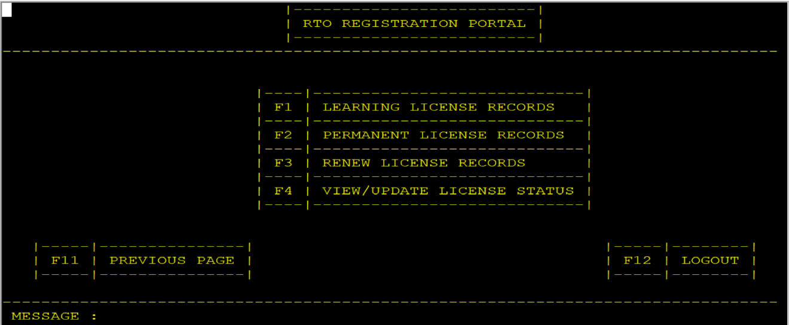
Test Cases for Employee (RTO) After Login Screen
TC ID | Test Scenario | Test Steps | Test Data | Expected Result | Actual Result | Status (Pass/Fail)
TC_02_02_001 | Verify Employee After Login screen is displayed correctly | Log in as Employee with valid credentials | Valid Emp-ID & Password | Employee After Login screen should be displayed with options: F1 (Learning License Records), F2 (Permanent License Records), F3 (Renew License Records), F4 (View/Update License Status), F11 (Back), F12 (Logout)
TC_02_02_002 | Verify F1 key for navigating to Learning License Records | Press F1 | N/A | Learning License Records screen should be displayed
TC_02_02_003 | Verify F2 key for navigating to Permanent License Records | Press F2 | N/A | Permanent License Records screen should be displayed
TC_02_02_004 | Verify F3 key for navigating to Renew License Records | Press F3 | N/A | Renew License Records screen should be displayed
TC_02_02_005 | Verify F4 key for navigating to View/Update License Status | Press F4 | N/A | View/Update License Status screen should be displayed
TC_02_02_006 | Verify F11 key for navigating back to Employee Login screen | Press F11 | N/A | System should navigate back to Employee Login screen
TC_02_02_007 | Verify F12 key for Logout functionality | Press F12 | N/A | System should return to Home Page, and session should end
TC_02_02_008 | Verify invalid key press does not perform any action | Press any key other than F1-F4, F11, F12 | Random Key | System should ignore the input and remain on the same screen
TC_02_02_009 | Verify Employee session persistence after navigating to different options | Log in, navigate to different records screens using F1-F4, then return | Valid session | Employee session should remain active
TC_02_02_010 | Verify session expiration due to inactivity | Log in as Employee, stay idle for 30 minutes | Valid session | System should automatically log out and return to Home Page
TC_02_02_011 | Verify Employee navigation across different options in sequence | Log in and press F1 → F11 → F2 → F11 → F3 → F11 → F4 → F11 → F12 | N/A | System should correctly navigate across screens and finally log out
TC_02_02_012 | Verify Employee Logout and re-login | Log in as Employee, press F12 to log out, then log in again | Valid credentials | System should return to Home Page on logout, and allow re-login
TC_02_02_013 | Verify Employee Logout and attempt restricted actions | Log in as Employee, press F12 to log out, then try to press F1-F4 | N/A | System should not allow access without re-login

2.2.1 Learning License Records
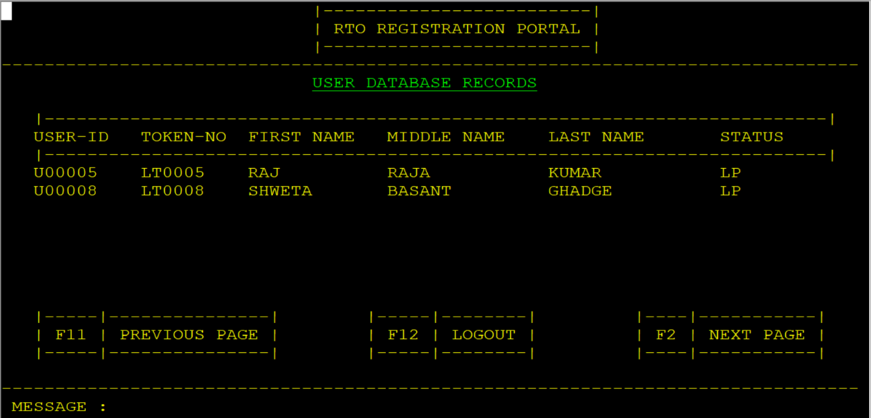
Test Cases for Learning License Records Screen
TC ID | Test Scenario | Test Steps | Test Data | Expected Result | Actual Result | Status
TC_02_02_01_001 | Verify navigation to Learning License Records | 1. Employee logs in successfully. | N/A | System should navigate to the Learning License Records screen.
 |  | 2. Press F1 on Employee After Login screen.
TC_02_02_01_002 | Verify display of all Learning License records | 1. Navigate to Learning License Records screen. | 100+ Learning License records in DB | All applied Learning License records should be displayed.
 |  | 2. Check if all records are loaded.
TC_02_02_01_003 | Verify pagination functionality | 1. If records exceed the display limit, press F2 for the next page. | 200+ Learning License records in DB | Next set of Learning License records should be displayed.
TC_02_02_01_004 | Verify employee can go back to the previous screen | 1. On the Learning License Records screen, press F11. | N/A | System should return to the Employee After Login screen.
TC_02_02_01_005 | Verify employee can log out from this screen | 1. On the Learning License Records screen, press F12. | N/A | System should log out the employee and return to the home page.
TC_02_02_01_006 | Verify error handling when no records are available | 1. Navigate to the Learning License Records screen with no data. | No Learning License records in DB | System should display a message like "No records found."
TC_02_02_01_007 | Verify search functionality using User ID | 1. Enter a valid User ID in the search field. | User ID: U12345 | The system should display the matching record(s).
 |  | 2. Press F1 to search.
TC_02_02_01_008 | Verify search functionality using Token Number | 1. Enter a valid Token Number in the search field. | Token Number: TKN98765 | The system should display the matching record(s).
 |  | 2. Press F1 to search.
TC_02_02_01_009 | Verify search functionality with an invalid User ID | 1. Enter an invalid User ID in the search field. | User ID: XYZ999 | System should display a message "No matching record found."
 |  | 2. Press F1 to search.
TC_02_02_01_010 | Verify search functionality with an invalid Token Number | 1. Enter an invalid Token Number. | Token Number: TKN00000 | System should display a message "No matching record found."
 |  | 2. Press F1 to search.
TC_02_02_01_011 | Verify search is case insensitive | 1. Enter a User ID with mixed-case letters. | User ID: u12345 / U12345 | System should return the correct record regardless of case.
 |  | 2. Press F1 to search.
TC_02_02_01_012 | Verify if employee can sort records alphabetically | 1. Select the Sort by Name option (if available). | 10+ User Records with different names | Records should be displayed in alphabetical order.
 |  | 2. Check the order of records.
TC_02_02_01_013 | Verify if employee can filter records by status | 1. Select a filter such as Approved, Pending, or Rejected. | Status Filter: Pending | Only the relevant filtered records should be displayed.
TC_02_02_01_014 | Verify invalid input handling in search fields | 1. Enter special characters like #@$% in the search field. | Search Input: @#!% | System should show an error or ignore invalid input.
 |  | 2. Press F1.
TC_02_02_01_015 | Verify system behavior when entering partial User ID | 1. Enter the first few characters of a User ID. | User ID: U12 | System should display relevant matching records.
 |  | 2. Press F1.
TC_02_02_01_016 | Verify performance when fetching a large dataset | 1. Load the Learning License Records screen with a high number of entries. | 10,000+ Learning License records in DB | System should load data within X seconds without crashing.
TC_02_02_01_017 | Verify navigation to the next screen after selecting a record | 1. Select a user record. | User ID: U56789 | System should navigate to the user details screen.
 |  | 2. Press F1 to view details.
TC_02_02_01_018 | Verify back navigation after viewing details | 1. Open a user's Learning License record. | User ID: U56789 | System should return to the Learning License Records screen.
 |  | 2. Press F11 to go back.
TC_02_02_01_019 | Verify accessibility compliance | 1. Check for high contrast mode, keyboard shortcuts, etc. | N/A | System should follow accessibility standards.
TC_02_02_01_020 | Verify if system logs unauthorized access attempts | 1. Try accessing Learning License Records without logging in. | No active employee session | System should prevent access and log the attempt.

2.2.2 Permanent License Records
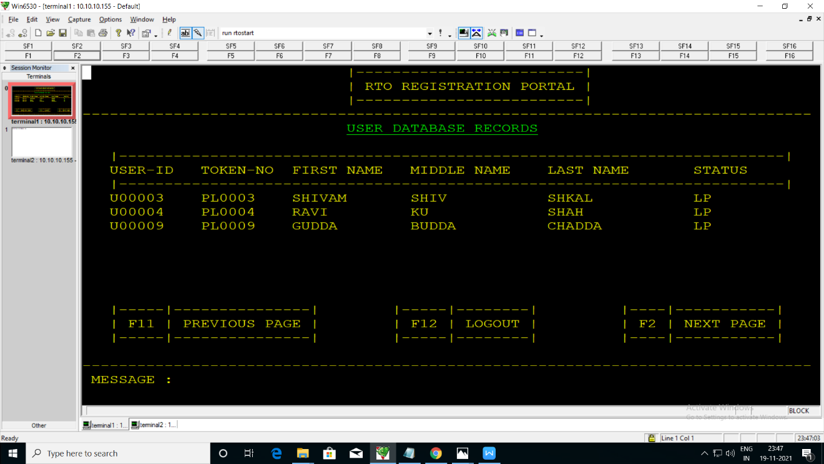
Test Cases for Permanent License Records Screen
TC ID | Test Scenario | Test Steps | Test Data | Expected Result | Actual Result | Status
TC_02_02_02_001 | Verify navigation to Permanent License Records | 1. Employee logs in successfully. | N/A | System should navigate to the Permanent License Records screen.
 |  | 2. Press F2 on Employee After Login screen.
TC_02_02_02_002 | Verify display of all Permanent License records | 1. Navigate to Permanent License Records screen. | 100+ Permanent License records in DB | All applied Permanent License records should be displayed.
 |  | 2. Check if all records are loaded.
TC_02_02_02_003 | Verify pagination functionality | 1. If records exceed the display limit, press F2 for the next page. | 200+ Permanent License records in DB | Next set of Permanent License records should be displayed.
TC_02_02_02_004 | Verify employee can go back to the previous screen | 1. On the Permanent License Records screen, press F11. | N/A | System should return to the Employee After Login screen.
TC_02_02_02_005 | Verify employee can log out from this screen | 1. On the Permanent License Records screen, press F12. | N/A | System should log out the employee and return to the home page.
TC_02_02_02_006 | Verify error handling when no records are available | 1. Navigate to the Permanent License Records screen with no data. | No Permanent License records in DB | System should display a message like "No records found."
TC_02_02_02_007 | Verify search functionality using User ID | 1. Enter a valid User ID in the search field. | User ID: U67890 | The system should display the matching record(s).
 |  | 2. Press F1 to search.
TC_02_02_02_008 | Verify search functionality using License Number | 1. Enter a valid License Number in the search field. | License Number: PL98765 | The system should display the matching record(s).
 |  | 2. Press F1 to search.
TC_02_02_02_009 | Verify search functionality with an invalid User ID | 1. Enter an invalid User ID in the search field. | User ID: XYZ999 | System should display a message "No matching record found."
 |  | 2. Press F1 to search.
TC_02_02_02_010 | Verify search functionality with an invalid License Number | 1. Enter an invalid License Number. | License Number: PL00000 | System should display a message "No matching record found."
 |  | 2. Press F1 to search.
TC_02_02_02_011 | Verify search is case insensitive | 1. Enter a User ID with mixed-case letters. | User ID: u67890 / U67890 | System should return the correct record regardless of case.
 |  | 2. Press F1 to search.
TC_02_02_02_012 | Verify if employee can sort records alphabetically | 1. Select the Sort by Name option (if available). | 10+ User Records with different names | Records should be displayed in alphabetical order.
 |  | 2. Check the order of records.
TC_02_02_02_013 | Verify if employee can filter records by status | 1. Select a filter such as Approved, Pending, or Rejected. | Status Filter: Approved | Only the relevant filtered records should be displayed.
TC_02_02_02_014 | Verify invalid input handling in search fields | 1. Enter special characters like #@$% in the search field. | Search Input: @#!% | System should show an error or ignore invalid input.
 |  | 2. Press F1.
TC_02_02_02_015 | Verify system behavior when entering partial User ID | 1. Enter the first few characters of a User ID. | User ID: U67 | System should display relevant matching records.
 |  | 2. Press F1.
TC_02_02_02_016 | Verify performance when fetching a large dataset | 1. Load the Permanent License Records screen with a high number of entries. | 10,000+ Permanent License records in DB | System should load data within X seconds without crashing.
TC_02_02_02_017 | Verify navigation to the next screen after selecting a record | 1. Select a user record. | User ID: U34567 | System should navigate to the user details screen.
 |  | 2. Press F1 to view details.
TC_02_02_02_018 | Verify back navigation after viewing details | 1. Open a user's Permanent License record. | User ID: U34567 | System should return to the Permanent License Records screen.
 |  | 2. Press F11 to go back.
TC_02_02_02_019 | Verify accessibility compliance | 1. Check for high contrast mode, keyboard shortcuts, etc. | N/A | System should follow accessibility standards.
TC_02_02_02_020 | Verify if system logs unauthorized access attempts | 1. Try accessing Permanent License Records without logging in. | No active employee session | System should prevent access and log the attempt.

